Literature Table
Guided by Prof. D. Naidu
Study on Fog Computing Authentication And Security Issues
Sr. no. | Referenced Section
 | Topic | Referred link | Problem Faced | Solution Suggested by the Author | Conclusion | Action required | Future Scope
1 | Fog computing security: a review of current applications and security solutions | https://journalofcloudcomputing.springeropen.com/articles/10.1186/s13677-017-0090-3 | Privacy preserving in Fog computing | They collect sensor data and extract features; Fuzzing of data by inserting Gaussian noise in data ata certain level of variance to lower the chance of eavesdropping Segregation by splitting data into blocks and shuffling them to avoid Man-in-the-Middle (MITM) attacks; Implementing Public Key Infrastructure for encrypting each data block; and Transmit segregated data to Fog node, where data packets are decrypted and re-ordered.and sniffing attacks; | data can easily be replicated, shared, modified and deleted by any malicious intermediate or fake external node using a Sybil (forging identities) attack, which can undermine the CIA of data | We can create a unique id for each fog node, and a superior node(admin department, or else) also be their which will authorize the other node to delete, copy, cut, send, and receive data if they want.Use of firewall, and intruction detection algorithm are good for it | Fog platforms will be developed and released in the future to provide an enriched and more reliable infrastructure to handle the ever increasing expansion of connected computational devices.
2 | Achieving security scalability and flexibility using Fog-Based Context-Aware Access Control | https://www.sciencedirect.com/science/article/abs/pii/S0167739X19323349 | Data Privacy and Leakage, manipulation, unauthorized access to the fog nodes(i.e. IoT) | unified data ontology (UDM ontology) where we model the concepts and associations with respect to the multiple data sources. It has mainly two layers. The upper layer contains the general ontology that includes the core concepts or classes and the relationships among classes. The bottom layer contains | Accessing data of all the conected by getting into only one node is very easy for hacker
3 | Security and Privacy in Fog Computing: Challenges | https://www.sciencedirect.com/science/article/abs/pii/S0952197622006601?via%3Dihub | fog computing environment does not security infrastructure adhering to security standards of the industry that allows Eus and businesses to develop a level of trust over the cloud. | using firewalls, intrusion detection systems. This two-way challenge in FogNet makes the design of trust model a formidable challenge. | High Power Consumption, Requires frequent maintenace, and non-authenticated unsecured enviornment
4 | RepuTE: A soft voting ensemble learning framework for reputation-based attack detection in fog-IoT milieu | https://ieeexplore.ieee.org/abstract/document/8026115 | DoS/ DDoS and Sybil attacks on Fog for data manipulation and blockage to another nodes | Proposed RepuTE framework : The master fog node resides at the fog layer and holds an enhanced set of resources as compared to the other fog nodes. The ML model deployed at the master fog node is composed of several phases. It starts with a data preprocessing phase that involves data cleaning, feature mapping, data normalization using a standard scaler, and feature selection. Then K-fold (here, K-10) cross-validation technique is applied to reduce the bias in the model. Furthermore, three ML algorithms say K-Nearest | data can easily be replicated, shared, modified and deleted by any malicious intermediate or fake external node using a Sybil (forging identities) attack, which can undermine the CIA of data
5 | Securing Fog Computing with a Decentralised User Authentication Approach Based on Blockchain | https://www.mdpi.com/1424-8220/22/10/3956

Points
Points to be taken into consideration :
Without properly securing the virtualised infrastruc
ture of Fog nodes in a 5G network, providers risk not
being able to achieve the desired performance. A sin
gle compromised Fog node in the 5G mobile network
can generate the potential entry point for a Man-in-the
Middle (MITM) attack and interrupt all connected users,
leak data, abuse the service by exceeding the limit of data
plan and damage sibling Fog nodes.
Que . Although sophisticated database software and high storage capacity hardware are used for aggregation and pro
cessing, data can easily be replicated, shared, modified
and deleted by any malicious intermediate or fake exter
nal node using a Sybil (forging identities) attack, which
can undermine the CIA of data [52].

Soln : We can create a unique id for each fog node, and a superior node(admin department, or else) also be their which will authorize the other node to delete, copy, cut, send, and receive data if they want.

The most common way
of eliminating such issues is to encrypt communication
with either symmetric or asymmetric algorithms, mutual
authentication, using the OAuth2 protocol, and ensur
ing the isolation of compromised nodes and certificate
pinning as discussed by [49].

Take away
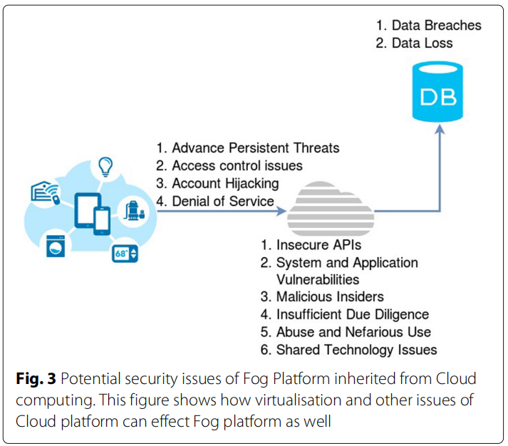
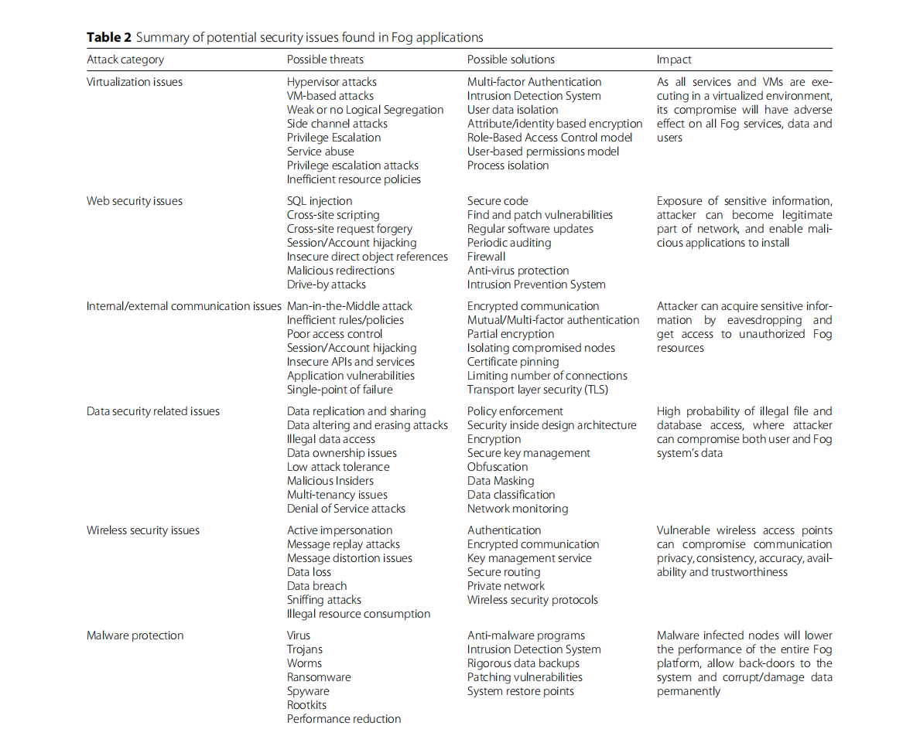
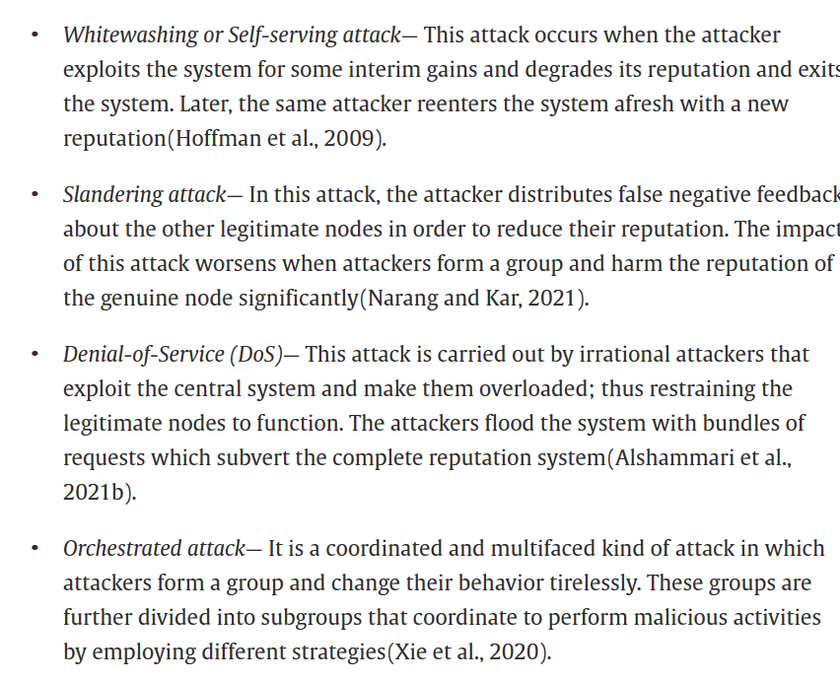
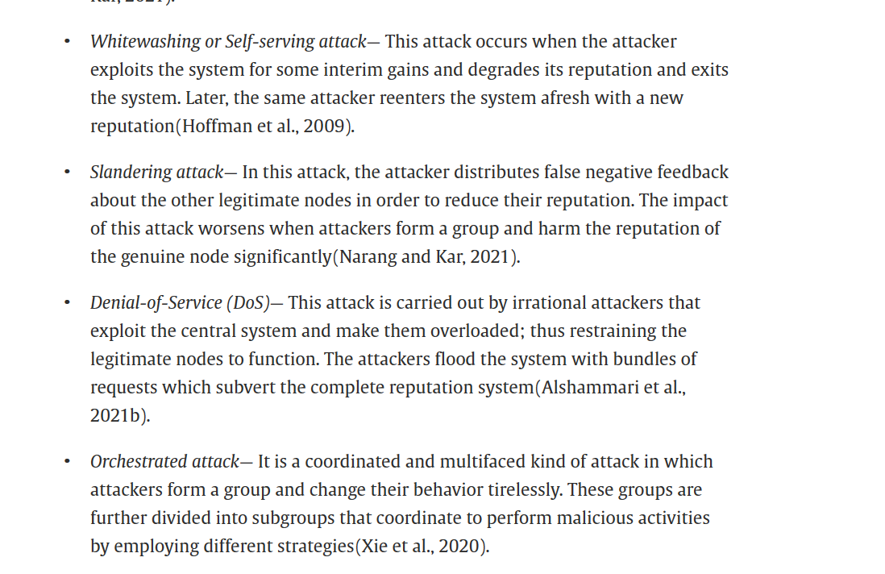
Meter data manage ment system (MDMS) use the generated data to forecast future energy demands. | The performance evaluation is done on NSL-KDD, CICDDOS2019, IoTID20, NBaIoT2018, TON_IoT, and UNSW_NB15 benchmarked IoT and network traffic datasets | The comprehensive performance analysis depicts that the proposed model attains 99.99% accuracy and outperforms other recent state-of-the-art works. This indicates the potential of the proposed approach for reputation-based attack filtration in the IoT domain.

